Sample Report
Sales Development

Calculated fields are in light green. Input fields are left white.
 |  | Actual | Budget | Outlook
 | Game | 212 | 223 | 217
 | Crazy Games | 127 | 136 | 132
 | Fightrr | 53 | 63 | 55
 | Aviatrr | 36 | 35 | 39
 | deRamblr | 16 | 19 | 17
 | Hackrr | 22 | 19 | 21
 | Toddler Games | 85 | 87 | 85
 | Jellyfish | 71 | 70 | 70
 | Twistrr | 14 | 17 | 15

Sales Development

 |  | Actual | Budget | Outlook
 | Game | 212 | 223 | 217
 | Crazy Games | 127 | 136 | 132
Input fields are highlighted
 | Fightrr | 53 | 63 | 55
 | Aviatrr | 36 | 35 | 39
 | deRamblr | 16 | 19 | 17
 | Hackrr | 22 | 19 | 21
 | Toddler Games | 85 | 87 | 85
 | Jellyfish | 71 | 70 | 70
 | Twistrr | 14 | 17 | 15

Hyperlinks
Adding Hyperlinks
Table of Contents

 | Index | Workbook Navigation
 | Style | Use Cell Styles
 | Theme | Define your Theme

XelPlus

Style
Define Cell Styles & Set Defaults |  |  |  | BACK TO HYPERLINKS TAB
Update the styles settings for different purposes

TRY THIS - Define your own cell style from the menu.
 | Title
 | Headings
 | www.XelPlus.com
 | Input cells
 | Calculated cells
 | and more…

 | Add your own style

Set defaults for Excel Tables

Name | Entry Date | Yearly Salary | PY Salary
Gary Miller | 2006-09-01 | 60,270 | 57,400
James Willard | 2009-12-01 | 39,627 | 0
Richard Elliot | 2016-04-01 | 29,727 | 29,906
Robert Spear | 2005-01-01 | 93,668 | 92,658
Roger Mun | 2011-09-01 | 134,000 | 127,000
Paul Garza | 2005-01-01 | 34,808 | 34,433

TRY THIS - Change the default style of Excel tables to the one you like best.
Name | Division | Department
Gary Miller | Utility | Finance
James Willard | Productivity | Sales
Richard Elliot | Productivity | Finance
Robert Spear | Productivity | Sales

Theme
Workbook Theme & Color to Save Time | BACK TO HYPERLINKS TAB
Define your set of colors & fonts

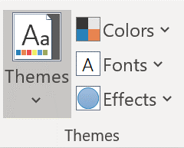
In a theme, you can define your custom set of colors, fonts and effects.

NOTE - New Workbooks always use the Office theme. To set a different default for new workbooks, check out this tutorial (click here).

Template
Use Your Own Excel Template
Define your defaults and theme and save the empty workbook as your template.
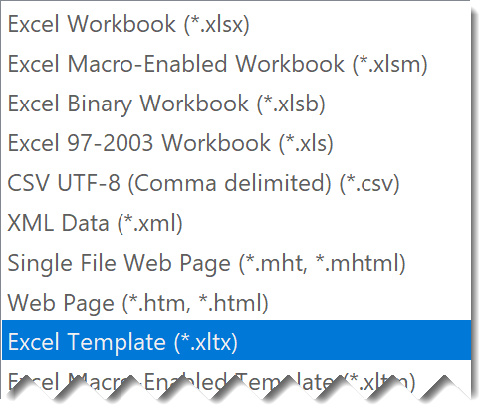
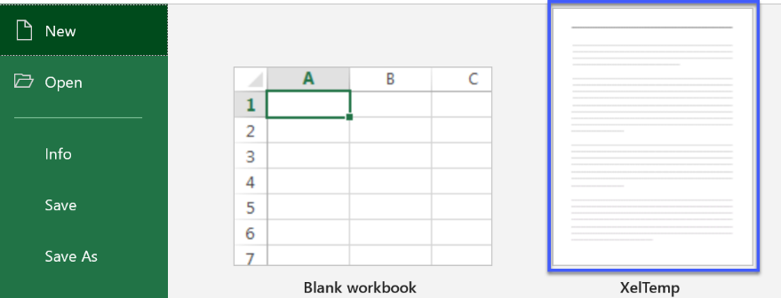
Once it's saved as a template you can open it directly from by going to FILE / NEW.

